Raw Data
Animal | Matriline | M/F | Date of Photo | Time of Photo | AC File # | Call ID | Call Duration (sec) | Min Frequency (Hz)Max Frequency |  | Spectogram | Coordinates (x,y) to boat | ID photo # | ID photo at the time of loc
J19/J41 | J8 | F/F | 2010-09-14 | 11:29:00 | AC11_018 | S16 | 0.4881 | 3764.71 | 5019.61 |  | ( 35.466, -13.776) | IMG_9230-31
J14 | J2 | F | 2010-09-14 | 11:30:00 | AC11_019 | S7 | 1.2416 | 3607.84 | 4705.88 |  | ( -273.775, -128.618) | IMG_9236 | 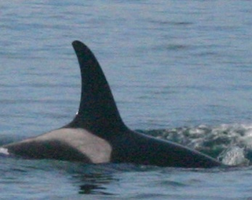
J27 | J8 | M | 2010-09-15 | 12:34:00 | AC13_064 | S10 | 1.15807 | 4026.14 | 5751.63
J27 | J8 | M | 2010-09-15 | 13:24:00 | AC13_064 | S15 | 0.511019 | 3816.99 | 6222.22 |  | ( -91.412, -42.598) | IMG_9332-9334 (Val's photo's) | 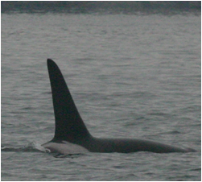
J34 | J10 | M | 2010-09-15 | 14:11:00 | AC14_017 | S16 | 0.465258 | 3948.05 | 4675.32 |  | ( -65.753, -0.823) | IMG_9357-58 | 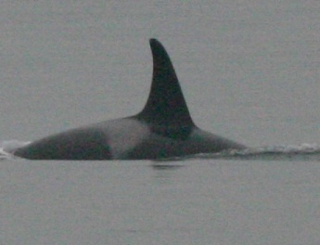
J37 | J2 | F | 2010-09-15 | 14:10:00 | AC14_016 | S1 | 0.911889 | 4248.37 | 5228.76 |  | ( -72.323, 13.710) | IMG_9354 | 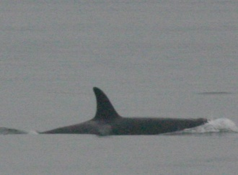
L88 | L2 | M | 2010-09-15 | 13:55:00 | AC14_001 | S17 | 1.172242 | 4117.65 | 5882.35 |  | ( -126.234, -30.872) | IMG_9403 | 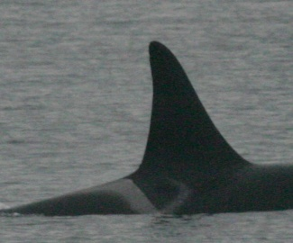
J28 | J17 | F | 2010-09-16 | 13:51:00 | AC20_02 | Whistle | N/a | N/a | N/a |  | ( 103.268, -24.644) | IMG_ 2232 | 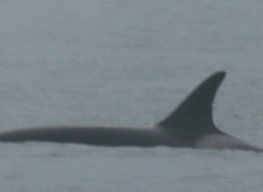
J46 | J17 | F | 2010-09-16 | 14:53:00 |  | S1 | 1.428548 | 3529.41 | 4705.88
L88 | L2 | M | 2010-09-20 | 15:38:00 | AC31_28 | S19 | 0.86679 | 4675.32 | 6103.9 |  | ( 643.142, -81.750) | IMG_9674 | 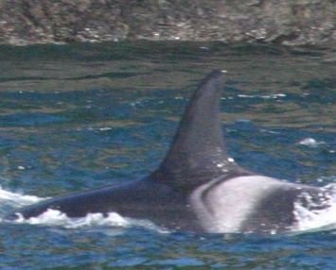
J11 | J8 | F | 2010-09-20 | 15:48:00 | AC31_039 | S10 | 1.966362 | 1974.03 | 3324.68 |  | ( 120.870, 93.461) | IMG_9688 | 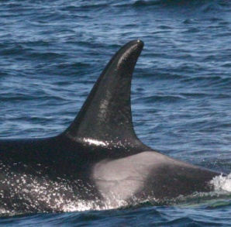
K14 | K3 | F | 2010-09-20 | 15:57:00 | AC31_046 | S17 | 1.921842 | 4000 | 5298.7 |  | ( -61.691, -5.555) | IMG_9692 | 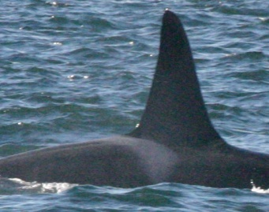
L92 | L26 | M | 2010-09-21 | 15:44:00 | AC37_020 | S19 | 0.923301 | 3660.13 | 7477.12 |  | ( -516.169, -392.905) | IMG_9753 | 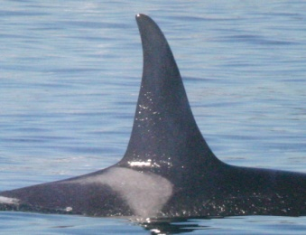
L92 | L26 | M | 2010-09-21 | 15:53:00 | AC37_029 | S19 | 1.4534 | 4836.6 | 9150.33 |  | ( 63.112, 98.803) | IMG_9758
L92 | L26 | M | 2010-09-21 | 16:10:00 | AC37_056 | S19 | 0.6656 | 4901.96 | 6078.43 |  | ( -10.301, -57.594) | IMG_9760
L41 | L11 | M | 2010-09-22 | 12:50:00 | AC40_055 | S12 | 0.537604 | 2909.09 | 4051.95 | 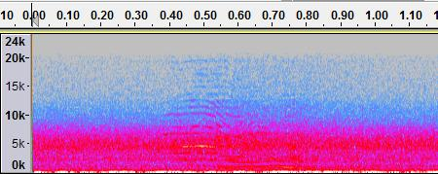 | ( 35.855, 61.158) | IMG_9834 | 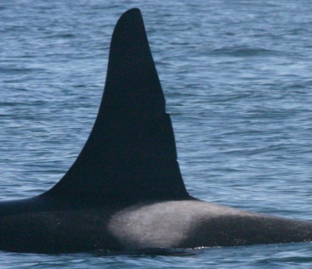
L87 | L12 | M | 2010-10-03 | 14:38:00 | AC48_009 | S16 | 0.836103 | 2928.1 | 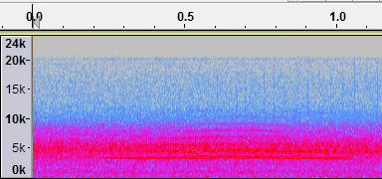 3869.28 |  | ( 62.001, 112.893) | IMG_0031 | 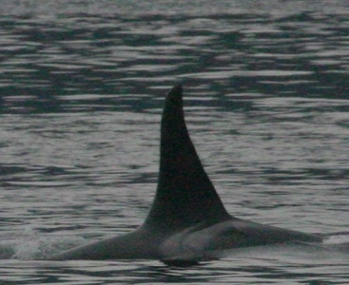
K21 | K18 | M | 2010-10-03 | 15:34:00 | AC49_016 | S10 | 2.8065499 | 2077.92 | 4220.78 |  | Directly behind the boat
K21 | K18 | M | 2010-10-03 | 15:38:00 | AC49_020 | S16 | 0.550078 | 2337.66 | 3181.82 |  | ( 101.250, 54.714) | IMG_0088
J2 | J2 | F | 2010-10-06 | 14:52:00 | AC53_008 | S6 | 0.661261 | 4117.65 | 5228.76 |  | ( -17.165, -14.721) | IMG_0250
J16 | J16 | F | 2010-10-06 | 14:54:00 | AC53_009 | S16 | 0.694841 | 3831.32 | 4675.32 |  | ( -40.574, -12.88) | IMG_0255
J27 | J8 | M | 2010-10-06 | 15:48:00 | AC53_063 | S11 | 1.30985 | 4183.01 | 6209.15
J27 | J8 | M | 2010-10-06 | 15:48:00 | AC53_063 | S1 | 0.96214 | 2141.85 | 4155.84
K21 | K18 | M | 2010-10-07 | 13:39:07 | AC55_026 | ??? | 0.914633 | 2405.23 | 5437.91
K21 | K18 | M | 2010-10-07 | 13:49;14 | AC55_026 | ??? | 0.619212 | 3071.9 | 5555.56
K21 | K18 | M | 2010-10-07 | 13:49:30 | AC55_026 | ??? | 0.868294 | 3896.1 | 5714.29
K21 | K18 | M | 2010-10-07 | 14:07:00 | AC55_044 | S19 | 0.40569 | 50564.94 | 8181.82

Meta Data
Coordinates are based off the port stern of the boat as 0,0 on an x,y axis. This is also where the array is launched. The CRT is off the starboard stern.
Call Measurements:

Calls
S16
Animal | Matriline | M/F | Call Duration (sec) | Min Frequency (Hz) | Max Frequency | Mean |  | Standard Deviation
J19 | J8 | F/F | 0.4881 | 3764.71 | 5019.61 | CD | 0.606876 | 0.1562628136
J34 | J10 | M | 0.465258 | 3948.05 | 4675.32 | Min | 3361.968 | 700.61274066
L87 | L12 | M | 0.836103 | 2928.1 | 3869.28 | Max | 4284.27 | 747.35831821
K21 | K18 | M | 0.550078 | 2337.66 | 3181.82
Comparison Between Call Durations
J16 | J16 | F | 0.694841 | 3831.32 | 4675.32 | Call Type | Data Collected Averages | Ford's Averages
 |  |  |  |  |  | S16 | 0.607 | 0.729
S7 |  |  |  |  |  | S10 | 1.977 | 2.1
Animal | Matriline | M/F | Call Duration (sec) | Min Frequency (Hz) | Max Frequency | S1 | 1.101 | 0.884
J14 | J2 | F | 1.2416 | 3607.84 | 4705.88 | S17 | 1.547 | 0.863
 |  |  |  |  |  | S19 | 0.863 | 0.73
S10 |  |  |  |  |  | ??? | 0.801 | unkown
Animal | Matriline | M/F | Call Duration (sec) | Min Frequency (Hz) | Max Frequency
J27 | J8 | M | 1.15807 | 4026.14 | 5751.63 | CD | 1.9769939667 | 0.82429137701
Comparison Bewteen Call Durations
J11 | J8 | F | 1.966362 | 1974.03 | 3324.68 | Min | 2692.6966667 | 1155.9635052
K21 | K18 | M | 2.8065499 | 2077.92 | 4220.78 | Max | 4432.3633333 | 1227.2315209

S15
Animal | Matriline | M/F | Call Duration (sec) | Min Frequency (Hz) | Max Frequency
J27 | J8 | M | 0.511019 | 3816.99 | 6222.22

S1
Animal | Matriline | M/F | Call Duration (sec) | Min Frequency (Hz) | Max Frequency | CD | 1.100859 | 0.28489708895
J37 | J2 | F | 0.911889 | 4248.37 | 5228.76 | Min | 3306.5433333 | 1070.7982027
J46 | J17 | F | 1.428548 | 3529.41 | 4705.88 | Max | 4696.8266667 | 536.51729118
J27 | J8 | M | 0.96214 | 2141.85 | 4155.84

S17
Animal | Matriline | M/F | Call Duration (sec) | Min Frequency (Hz) | Max Frequency | CD | 1.547042 | 0.53004724318
K14 | K3 | F | 1.921842 | 4000 | 5298.7 | Min | 4058.825 | 83.191112807
L88 | L2 | M | 1.172242 | 4117.65 | 5882.35 | Max | 5590.525 | 412.70287284

S19
Animal | Matriline | M/F | Call Duration (sec) | Min Frequency (Hz) | Max Frequency
L88 | L2 | M | 0.86679 | 4675.32 | 6103.9 | CD | 0.8629562 | 0.38740222031
L92 | L26 | M | 0.923301 | 3660.13 | 7477.12 | Min | 4627.79 | 558.68056705
L92 | L26 | M | 1.4534 | 4836.6 | 9150.33 | Max | 7398.32 | 1332.9716312
L92 | L26 | M | 0.6656 | 4901.96 | 6078.43
K21 | K18 | M | 0.40569 | 5064.94 | 8181.82

S12
Animal | Matriline | M/F | Call Duration (sec) | Min Frequency (Hz) | Max Frequency
L41 | L11 | M | 0.537604 | 2909.09 | 4051.95

S6
Animal | Matriline | M/F | Call Duration (sec) | Min Frequency (Hz) | Max Frequency
J2 | J2 | F | 0.661261 | 4117.65 | 5228.76

Aberrant
Animal | Matriline | M/F | Call Duration (sec) | Min Frequency (Hz) | Max Frequency
K21 | K18 | M | 0.914633 | 2405.23 | 5437.91 | CD | 0.800713 | 0.15888293011
K21 | K18 | M | 0.619212 | 3071.9 | 5555.56 | Min | 3124.41 | 746.82080468
K21 | K18 | M | 0.868294 | 3896.1 | 5714.29 | Max | 5569.2533333 | 138.697897

S11
Animal | Matriline | M/F | Call Duration (sec) | Min Frequency (Hz) | Max Frequency
J27 | J8 | M | 1.30985 | 4183.01 | 6209.15

Sheet5
Animal | Call Duration (sec) | Min Frequency (Hz) | Max Frequency (Hz) | Call | S16
L92 | 0.923301 | 3660.13 | 7477.12 | S19 | Animal | Max Frequency (Hz) | Min Frequency (Hz) | Call Duration (sec)
 | 1.4534 | 4836.6 | 9150.33 | S19 | J19 | 5019.61 | 3764.71 | 0.4881
 | 0.6656 | 4901.96 | 6078.43 | S19 | J34 | 4675.32 | 3948.05 | 0.465258
 |  |  |  |  | J16 | 4675.32 | 3831.32 | 0.836103
 |  |  |  |  | L87 | 3869.28 | 2928.1
Animal | Call Duration (sec) | Min Frequency (Hz) | Max Frequency | Call | K21 | 3181.82 | 2337.66 | 0.550078
K21 | 0.914633 | 2405.23 | 5437.91 | A
 | 0.619212 | 3071.9 | 5555.56 | A
 | 0.868294 | 3896.1 | 5714.29 | A

S16 Maximum Frequency Distribution

S16 Minimum Frequency Distribution

